Two way Optimized
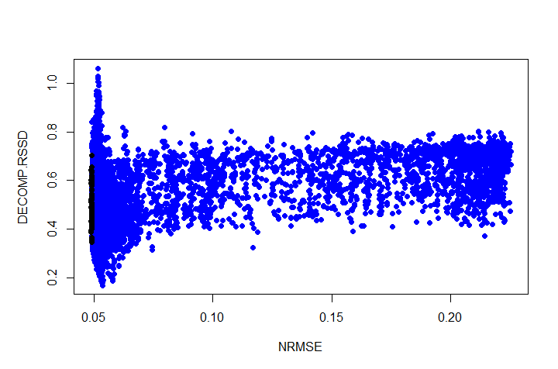
solID | 1_222_6 |  | solID | 4_216_3 |  | solID | 5_211_2 |  | solID | 5_211_9
rsq_train | 0.951 |  | rsq_train | 0.950 |  | rsq_train | 0.947 |  | rsq_train | 0.950
nrmse_train | 0.049 |  | nrmse_train | 0.050 |  | nrmse_train | 0.052 |  | nrmse_train | 0.050
decomp.rssd | 0.315 |  | decomp.rssd | 0.233 |  | decomp.rssd | 0.209 |  | decomp.rssd | 0.264
MAPE | 5.0% |  | MAPE | 5.2% |  | MAPE | 5.4% |  | MAPE | 5.1%
Aryma Score | 86 |  | Aryma Score | 85 |  | Aryma Score | 86 |  | Aryma Score | 77

rn | coef | xDecompPerc | rn | coef | xDecompPerc | rn | coef | xDecompPerc | rn | coef | xDecompPerc
(Intercept) | 0.00 | 0.0% | (Intercept) | 0.00 | 0.0% | (Intercept) | 0.00 | 0.0% | (Intercept) | 0.00 | 0.0%
trend | 0.23 | 21.9% | trend | 0.24 | 22.9% | trend | 0.27 | 26.1% | trend | 0.24 | 22.8%
season | 0.24 | 0.0% | season | 0.26 | 0.0% | season | 0.29 | 0.0% | season | 0.25 | 0.0%
holiday | 1.00 | 2.4% | holiday | 1.00 | 2.4% | holiday | 1.00 | 2.4% | holiday | 1.00 | 2.4%
competitor_sales_B | 0.22 | 66.3% | competitor_sales_B | 0.21 | 64.1% | competitor_sales_B | 0.21 | 63.0% | competitor_sales_B | 0.21 | 64.8%
events | 1.03 | 0.5% | events | 1.02 | 0.5% | events | 1.02 | 0.4% | events | 1.02 | 0.4%
tv_S | 307956.49 | 3.0% | tv_S | 286856.35 | 2.5% | tv_S | 458994.82 | 1.6% | tv_S | 321328.57 | 2.6%
ooh_S | 188007.41 | 3.4% | ooh_S | 209474.91 | 4.1% | ooh_S | 180567.93 | 3.3% | ooh_S | 177470.36 | 3.5%
print_S | 280981.47 | 1.4% | print_S | 161689.62 | 1.5% | print_S | 300768.84 | 1.2% | print_S | 327088.67 | 1.1%
facebook_S | 1533.81 | 0.0% | facebook_S | 14463.08 | 0.2% | facebook_S | 12779.29 | 0.1% | facebook_S | 16134.40 | 0.1%
search_S | 10617.45 | 0.1% | search_S | 31149.73 | 0.5% | search_S | 28664.69 | 0.3% | search_S | 35201.91 | 0.2%
newsletter | 240448.82 | 1.0% | newsletter | 253449.26 | 1.4% | newsletter | 224564.77 | 1.4% | newsletter | 232544.83 | 2.0%

